MCP16301
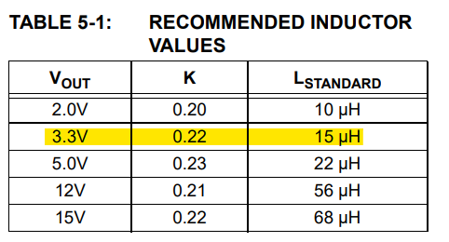
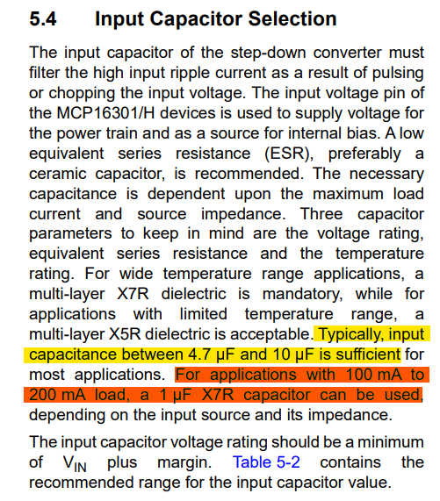
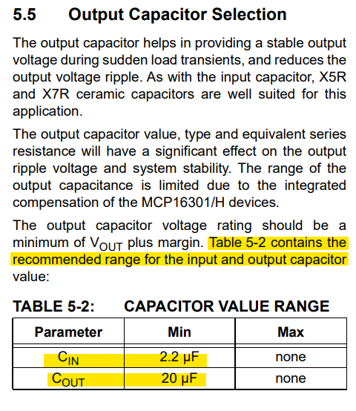
DESIGN REQUIREMENTS |  | VIN | 12 |  | OUTPUT VOLTAGE |  |  | DUTY CYCLE |  | Inductor | 1.50E-05 | INPUT CAPACITANCE | 4.70E-06 |  | OUTPUT CAPACITANCE | 2.00E-05
USER ADJUSTMENT |  | VOUT | 3.3 |  | VFB | 0.8 |  | D | 30%
CALCULATIONS |  | Vf (diode) | 0.3 |  | R_BOT | 15000
PARAMETERS |  | IOUT | 0.232 |  | R_TOP | 46875
RESULTS |  |  |  |  | R_TOP(STD) | 47000
 |  |  |  |  | VOUT(REAL) | 3.307

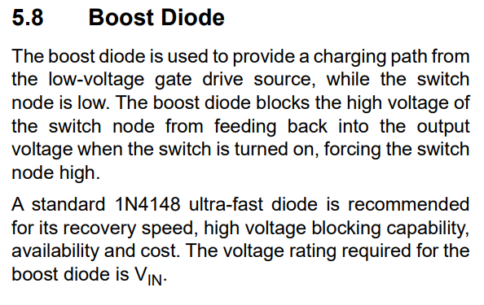
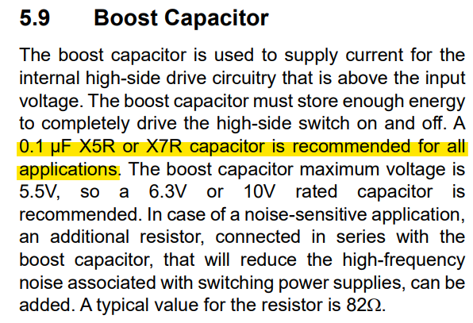
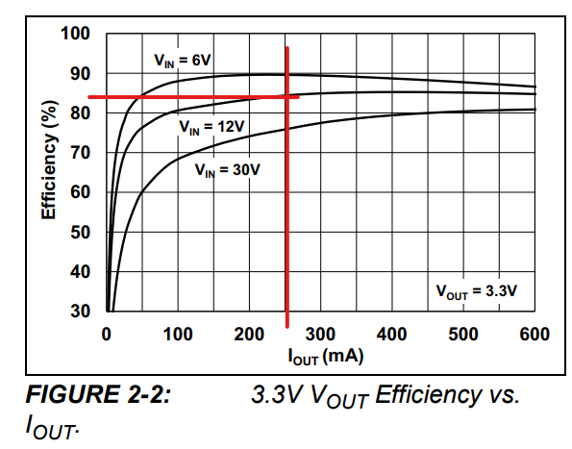
 | INDUCTOR |  |  | DIODE |  |  | BOOST DIODE |  |  |  | BOOST CAPACITOR |  |  | POWER LOSSES
 | Ripple (ΔI_L) | 0.348 |  | I_AVG | 0.1624 |  |  |  |  |  |  |  |  | Efficiency | 80%
 | CCM
 | Imax | 0.406
 | Imin | 0.058

 |  |  |  |  |  |  |  |  |  |  |  |  |  | P_dis | 0.191
 |  |  |  |  |  |  |  |  |  |  |  |  |  | Pdiode | 0.049

NTC
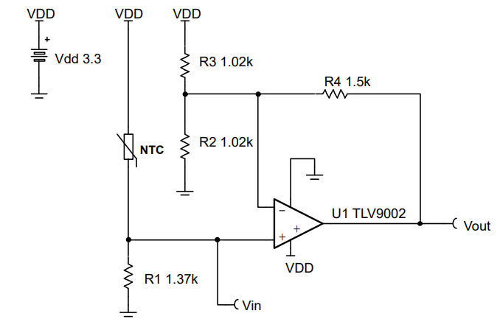
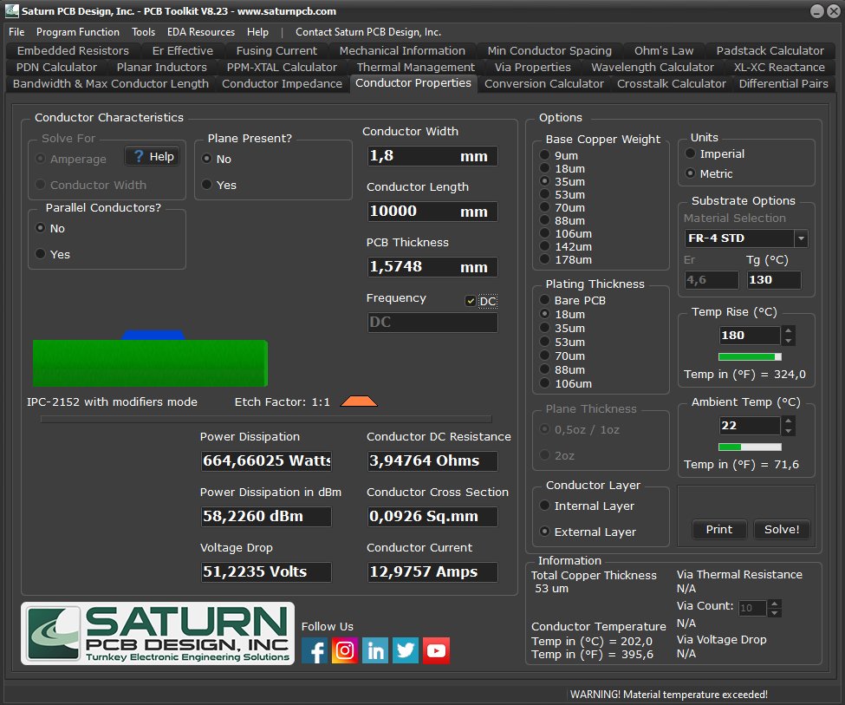
 | VDD | 3.3
 | R_NTC@Tmin | 1240
 | R_NTC@Tmax | 67
 | Vout MAX | 3.3
 | Vout min | 0.3
 | R4 | 1500

 | R1 | 288.2360144
 | R1 | 280
 | V(+)min | 0.60789473684
 | V(+)max | 2.6628242075
DESIGN REQUIREMENTS | G ideal | 1.4599041198
USER ADJUSTMENT | (R2||R3) ideal | 3261.5493873
CALCULATIONS | R3 | 8425.9904223
PARAMETERS | R2 | 5321.3472113
RESULTS | R3 | 8200
 | R2 | 5400
 | G | 1.460704607

